Lighting
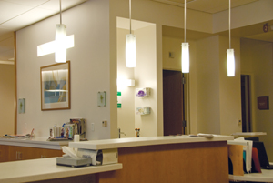
Lighting Calculator
Follow these steps to calculate electrical energy and cost savings from turning off lights when they are not in use:
Step 1 | Walk around your workspace and count the different types of lights in your department. The calculator provides a list of options. If you don't know, pick a type in the list closest to what you see. You may need to do some investigating to find out what lighting type is being used. Contact the program coordinator if you have questions.
 | Need some help identifying the types of lighting in your space? We've provided some images in the "Types of Lights Cheat Sheet" below to help you select the lighting type that best matches the lighting in your space. Remember that this is a visual identification only. Do not remove light covers or climb on furniture to identify lighting types.
Step 2 | Use the hours calculator below to estimate the amount of time lights are left on in an average week when they don't need to be. Enter the number of hours/day, days/week to calculate total weekly hours of use. Don't be afraid to estimate. In each worksheet, enter the total weekly hours in the blue box beside the device you want assess.
 | Monday | Tuesday | Wednesday | Thursday | Friday | Saturday | Sunday | Total Weekly Hours
 |  |  |  |  |  |  |  | -

 | For example: If you have 5 downlights in your space that are left on continuously and you decide to turn them off afterhours, use the hours calculate to estimate the number of hours the lights can be turned off each week. Enter that number in the "Weekly hours the light is on, but NOT in use" column. See example in the table below.

Data Input |  |  |  |  |  | Annual Potential Savings
Lighting Type | Action | Quantity | Weekly hours the light is on, but NOT is use | Watts per Lighting Type |  | Electricity (kWh) | Cost ($)
Sample: Downlight | Turn Off | 5 | 118 | 20 |  | 614 | $67
Select Type Here: | Turn Off |  |  | 0 |  | 0 | $0
Select Type Here: | Turn Off |  |  | 0 |  | 0 | $0
Select Type Here: | Turn Off |  |  | 0 |  | 0 | $0
Select Type Here: | Turn Off |  |  | 0 |  | 0 | $0
Select Type Here: | Turn Off |  |  | 0 |  | 0 | $0
Select Type Here: | Turn Off |  |  | 0 |  | 0 | $0
Select Type Here: | Turn Off |  |  | 0 |  | 0 | $0
Select Type Here: | Turn Off |  |  | 0 |  | 0 | $0
Select Type Here: | Turn Off |  |  | 0 |  | 0 | $0
Select Type Here: | Turn Off |  |  | 0 |  | 0 | $0
Select Type Here: | Turn Off |  |  | 0 |  | 0 | $0
Select Type Here: | Turn Off |  |  | 0 |  | 0 | $0
 |  |  |  |  |  | 0 | $-

Types of Lights Cheat Sheet

Florescent
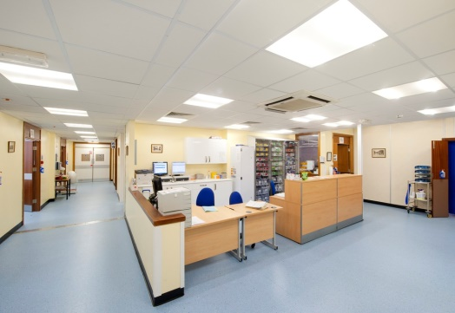
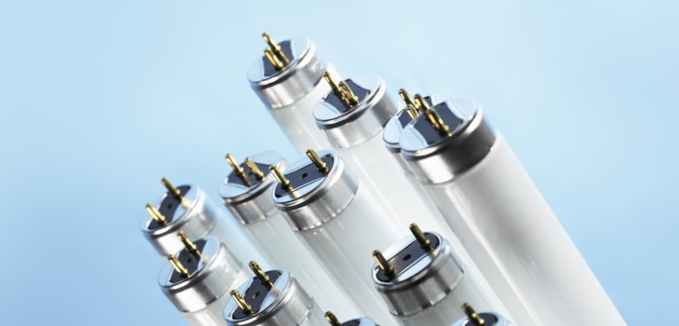
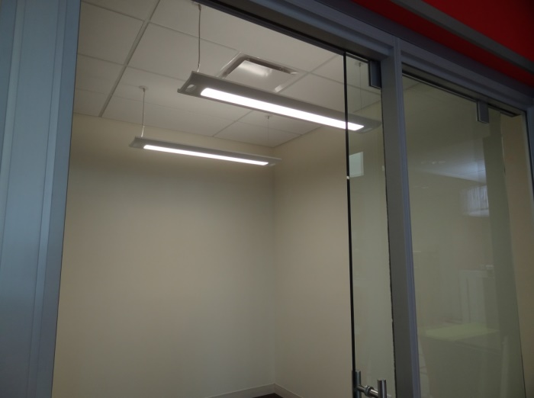

Downlight

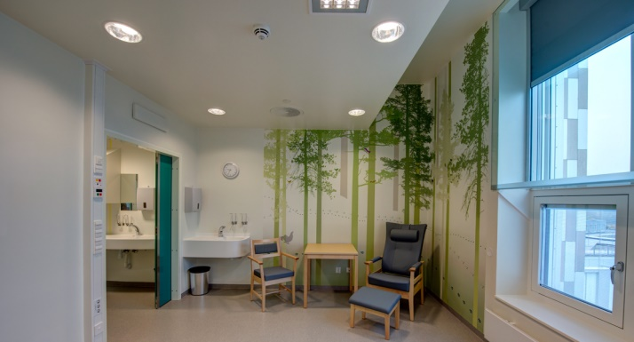

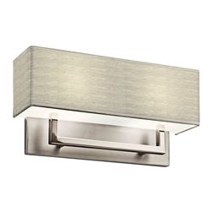
Wall / Ceiling Sconce
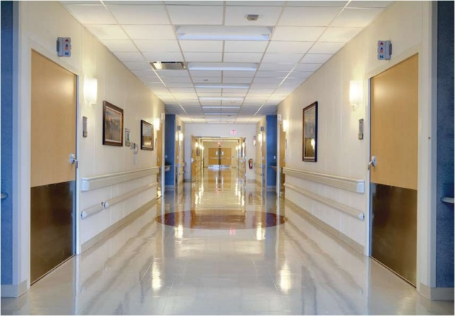
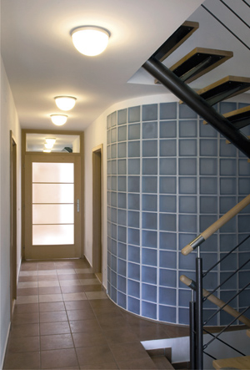

Desk Lamp

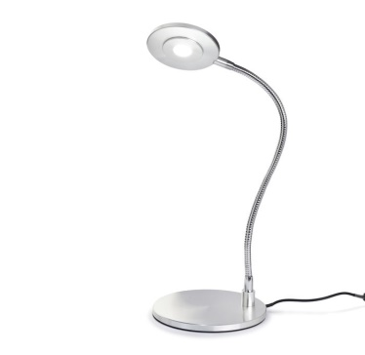

Pendant

